Front
NCP3286 Design Aid 40A Stackable Integrated Buck Converter

Rev. 1

 | Calculated Value
 | User Input Value |  |  | Error (Outside Limits)

Design Tartget Information

 |  | Item | Value |  | Unit
 |  | VIN | 12 |  | V | Input Voltage
 |  | ΔVIN_RIPPLE | 240 |  | mVpp | VIN Ripple
 |  | ΔVIN_AC | ± | 360 | mV | VIN Transient Overshoot and Undershoot (includes ripple)
 |  | VOUT | 1.2 |  | V | Nominal Output Voltage
 |  | ILOAD_MAX | 30 |  | A | Maximum Output Current
 |  | ILOAD_STEP | 15 |  | A | Maximum Load Step Current
 |  | SLOAD_STEP | 5 |  | A/us | Load Step Slope (di/dt)
 |  | ΔVOUT_RIPPLE | 1 |  | % VOUT | VOUT Ripple, peak-peak
 |  | ΔVOUT_AC | ± | 5 | % VOUT | VOUT Transient Specification (includes ripple)
 |  | ƞ | 91 |  | % | Enter estimated Efficiency from datasheet curve for usage case

Operation Mode & Parameters

 |  | Item | Value |  | Unit
 |  |  | Recommended | Actual
 |  | Phases | 1 | One_Phase | 1
 |  | Fsw | 500 |  | kHz | Switching Frequency, per phase
 |  | RSYNC/MODE2 | 10 |  | kΩ | Resistor at SYNC/MODE2 Pin

 |  | VOUT Scale | 1 | One | 1
 |  | Soft-Start Time | 1 |  | ms | Desired Soft-Start Time
 |  | RSS/MODE1 | 10 | 10 | kΩ | Resistor at SS/MODE1 Pin

 |  | Protection Mode | - | Latch_Off | - | Selected Protection Mode (Latch Off or Hiccup)
 |  | IVLY | 29.5 | 30 | A/phase | Desired Valley Current Limit Threshold
 |  | RIMON/ILIM | 100 |  | kΩ | Resistor at IMON/ILIM Pin

 |  | RVSET/FAULT | 182 |  | kΩ | Resistor at VSET/FAULT Pin

Input Voltage UVLO & Enable

 |  | Vin UVLO | No |  |  | Vin UVLO Function Set at EN Pin ?

 |  | Item | Value |  | Unit
 |  |  | Expected | Actual
 |  | VIN_L | NA |  | V | Falling Threshold of Vin UVLO
 |  | VIN_H | NA |  |  | Rising Threshold of Vin UVLO
 |  | VIN_HYS |  |  |  | Hysteresis of Vin UVLO
 |  | R1 |  | NA | kΩ
 |  | R2 |  | NA

 |  | VEN_L | 0.99 | 0.992 | V | Falling Threshold of ENABLE
 |  | VEN_H | 1.20 | 1.20 |  | Rising Threshold of ENABLE
 |  | VEN_HYS | 0.21 | 0.21 |  | Hysteresis of ENABLE
 |  | REN | 0.00 | 0.00 | kΩ

Input Current & C-Filter

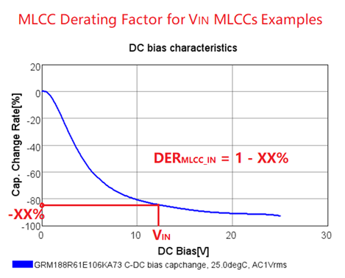
 |  | Item | Value |  | Unit
 |  |  | Expected | Actual
 | MLCC Cap | CMLCC | 38.3 | 31.68 | uF | Minimum Effective Capacitance - DC voltage derating applied from manufacturer datasheet
 |  | ESRMLCC | 2.7 | 0.38 | mΩ
 |  | ESLMLCC | - | 0.13 | nH
 |  | Number of CMLCC | - | 8 | pcs | Number of parallel MLCC Caps Per-Phase (please enter >1)
 |  | C | - | 22 | uF/pcs | Rated Capacitance of Single MLCC Cap
 |  | DERMLCC_IN | - | 0.18 |  | MLCC Derating Factor@VIN: Enter DC voltage derating per manufacturer datasheet
 |  | ESR | - | 3 | mΩ/pcs | ESR of Single MLCC Cap
 |  | ESL | - | 1 | nH/pcs | ESL of Single MLCC Cap
 |  | ΔVIN_RIPPLE | 240 | 213 | mVpp | Input Ripple Voltage, peak-to-peak
 | Input ESL | VIN_ESL | 100 | 20 | nH | Series L between Input Source and Input Capacitors
 | SP/Bulk Cap | CBULK | 11 | 22 | uF | Minimum Capacitance of Single SP/Bulk Cap (enter 0 if not used)
 |  | ESRBULK | 48.5 | 12 | mΩ | Maximum ESR of Single SP/Bulk Cap
 |  | ESLBULK | - | 1 | nH | ESL of Single SP/Bulk Cap
 |  | ΔVIN_TRANSIENT | 360 | 176 | mVpk | Input Transient Voltage
 |  | IRMS | - | 5.2 | A | Minimum SP/Bulk Cap RMS ripple current rating

Output Current & LC-Filter

 |  | Item | Value |  | Unit
 |  |  | Recommended | Actual
 |  | IL_PP | 7.50 | 10.11 | A | Inductor Peak-to-Peak Ripple Current
 |  | L | 0.29 | 0.22 | uH | Inductance of Inductor
 |  | DCR | - | 0.30 | mΩ | DCR of Inductor

 |  | ILIM | 34.6 | 35.1 | A | Output DC Current Limit

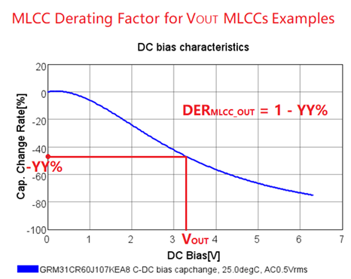
 |  | CTotal | 691 | 714.4 | uF | Minimum Effective Total Filter Capacitance
 |  | ESR | 0.40 | 0.29 | mΩ | Maximum Effective Total Filter ESR
 |  | ESL | 0.07 | 0.091 | nH | Maximum Effective Total Filter ESL
 | SP/Bulk Cap | CBULK | - | 470 | uF
 |  | Number | - | 1 | pcs | Total Number of Parallel SP/Bulk Caps
 |  | C | - | 470 | uF/pcs | Capacitance of Single SP/Bulk Cap
 |  | ESR | - | 6 | mΩ/pcs | ESR of Single SP/Bulk Cap
 |  | ESL | - | 1 | nH/pcs | ESL of Single SP/Bulk Cap
 | MLCC Cap | CMLCC | - | 244.4 | uF | Effective Capacitance - DC voltage derating applied from manufacturer datasheet
 |  | Number | - | 10 | pcs | Total Number of Parallel MLCC Caps (enter >1)
 |  | C | - | 47 | uF/pcs | Capacitance of Single MLCC Cap
 |  | DERMLCC_OUT | - | 0.52 |  | MLCC Derating Factor@VOUT: Enter DC voltage derating per manufacturer datasheet
 |  | ESR | - | 3 | mΩ/pcs | ESR of Single MLCC Cap
 |  | ESL | - | 1 | nH/pcs | ESL of Single MLCC Cap
 |  | ΔVOUT_RIPPLE | 12 | 9.8 | mVpp | Output Ripple Voltage, peak-to-peak
 |  | ΔVOUT_TRANSIENT | 60 | 55.7 | mVpk | Output Transient Voltage Under/Overshoot including ripple (approximation)
 |  |  |  |  |  | Please refer to Simplis tool for more refined results.
Compensation & Bode Plot

 |  | Output Voltage
 |  | Item | Value |  | Unit
 |  |  | Expected | Actual
 |  | Vo | 1.200 | 1.200 | V
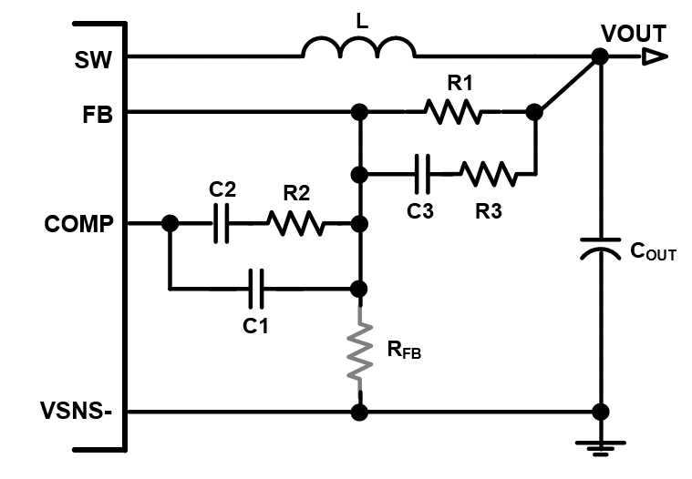
 |  | Close-Loop Bandwidth & Phase Margin
 |  | Item | Target | Actual | Unit
 |  | Fcross (0dB) | 83 | 91 | kHz
 |  | PM | 65 | 82 | degree

 |  | Vout Sense & Compensation Network
 |  | Item | Value |  | Unit
 |  |  | Recommended | Actual
 |  | R1 | 10.00 | 10.00 | kΩ
 |  | RFB | open | NA
 |  | R2 | 26.81 | 22.00
 |  | R3 | 0.20 | 0
 |  | C3 | 393 | 390.0 | pF
 |  | C2 | 175 | 100.0
 |  | C1 | 35 | 10.0

Bode Plot
 | Gain_Actual (dB) | Gain_Recommended (dB) | Phase_Actual (deg) | Phase_Recommended (deg)
10 | 90.3 | 84.7 | 89.953522404 | 89.960555262
50 | 76.3 | 70.7 | 89.76706293 | 89.80231064
100 | 70.3 | 64.7 | 89.53524623 | 89.605574171
110 | 69.5 | 63.9 | 89.490412595 | 89.567525506
120 | 68.7 | 63.1 | 89.441255075 | 89.52580751
132 | 67.9 | 62.3 | 89.387357011 | 89.480066662
145 | 67.1 | 61.5 | 89.328261708 | 89.429915489
158 | 66.3 | 60.7 | 89.26346862 | 89.37492934
174 | 65.5 | 59.9 | 89.192429188 | 89.314642863
191 | 64.7 | 59.1 | 89.114542295 | 89.248546169
209 | 63.9 | 58.3 | 89.029149312 | 89.176080642
229 | 63.1 | 57.5 | 88.935528706 | 89.096634392
251 | 62.3 | 56.7 | 88.832890166 | 89.009537307
275 | 61.5 | 55.9 | 88.720368243 | 88.914055698
302 | 60.7 | 55.1 | 88.597015443 | 88.809386506
331 | 59.9 | 54.3 | 88.46179478 | 88.694651054
363 | 59.1 | 53.5 | 88.313571745 | 88.568888344
398 | 58.3 | 52.7 | 88.151105701 | 88.431047893
437 | 57.5 | 51.9 | 87.973040692 | 88.279982117
479 | 56.7 | 51.1 | 87.777895703 | 88.114438306
525 | 55.9 | 50.3 | 87.564054412 | 87.933050252
575 | 55.1 | 49.5 | 87.329754524 | 87.734329607
631 | 54.3 | 48.7 | 87.073076817 | 87.516657144
692 | 53.5 | 47.9 | 86.791934116 | 87.278274115
759 | 52.7 | 47.1 | 86.484060463 | 87.017274008
832 | 51.9 | 46.3 | 86.147000904 | 86.731595112
912 | 51.1 | 45.5 | 85.778102447 | 86.419014453
1000 | 50.3 | 44.7 | 85.374506923 | 86.077143836
1096 | 49.5 | 43.9 | 84.933146763 | 85.703428994
1202 | 48.7 | 43.1 | 84.450744974 | 85.295153101
1318 | 47.9 | 42.2 | 83.923821022 | 84.84944634
1445 | 47.0 | 41.4 | 83.348704755 | 84.363303589
1585 | 46.2 | 40.6 | 82.721561086 | 83.833612899
1738 | 45.4 | 39.8 | 82.038428786 | 83.257197976
1905 | 44.6 | 39.0 | 81.295277427 | 82.63087858
2089 | 43.7 | 38.1 | 80.488087268 | 81.951553409
2291 | 42.9 | 37.3 | 79.612957504 | 81.216310623
2512 | 42.1 | 36.5 | 78.666248799 | 80.422571522
2754 | 41.2 | 35.6 | 77.644766057 | 79.568272846
3020 | 40.3 | 34.8 | 76.545986788 | 78.652092357
3311 | 39.5 | 33.9 | 75.368338746 | 77.673720514
3631 | 38.6 | 33.0 | 74.111527368 | 76.634177589
3981 | 37.7 | 32.1 | 72.77690853 | 75.536170293
4365 | 36.7 | 31.2 | 71.367895019 | 74.384474367
4786 | 35.8 | 30.3 | 69.890375924 | 73.186319997
5248 | 34.8 | 29.3 | 68.353117715 | 71.951745808
5754 | 33.8 | 28.3 | 66.768105491 | 70.693876309
6310 | 32.8 | 27.4 | 65.15077527 | 69.429069286
6918 | 31.8 | 26.3 | 63.520086171 | 68.176876939
7586 | 30.7 | 25.3 | 61.898387935 | 66.959770513
...

Disclaimer
This spreadsheet is a general tool being provided to assist power system designers.
The output of this tool is to be used as a guideline and does not provide/ensure any measure of the success of a particular system design.
Copyright © 2022, Semiconductor Component Industries, LLC.

